Assumptions Notes
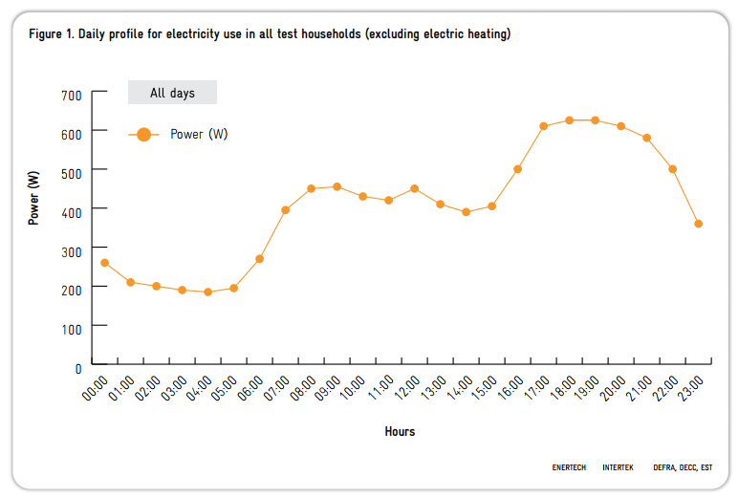
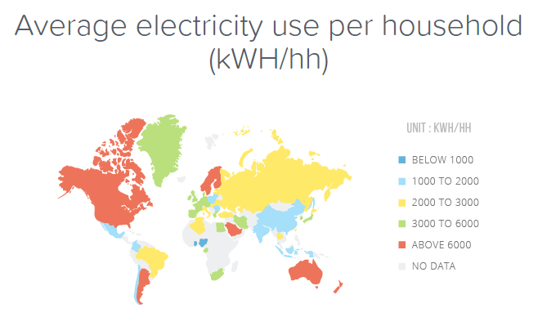
Assumptions
Conservatively use US consumption amounts | 2x UK
Conservatively use minimum electricity tariff
Daily consumption remains constant year round on average | (seasonal variation is captured in the modelling completed to deliver the daily consumption profile)
Emergent Market price cap is the domestic solar feed in tariff value | government calculated this is value to make it worthwhile for prosumer to buy system
Household will always have stored energy to sell into the grid when prices are high

Electricity Prices
https://www.solarchoice.net.au/solar-rebates/solar-feed-in-rewards
https://www.aemo.com.au/Electricity/National-Electricity-Market-NEM/Data-dashboard#aggregated-data |  |  |  | conversion
Price to Sell Domestic Solar Into Grid | EIA data | 150.00 | $/Mwah
Fixed Electricity Price from Grid | average of US | 120.00 | $/MWh
Maximum Feed Rate into Grid | (How much energy can the connection export into the grid in a set time) | 1.00 | kW/hr

Daily Consumption - Households

